Dashboard
BRIGHT TV • ENGAGEMENT DASHBOARD
Jan – Mar 2016 | 10,000 viewing sessions | 21 channels

TOTAL VIEWS |  | ACTIVE USERS | WATCH HOURS | AVG SESSION | CHANNELS | PROVINCES
10,000 |  | 4,386 | 1,523 | 9.1 | 21 | 9
sessions |  | unique | hrs | min | live | reached

MONTHLY VIEWING TREND |  |  |  | TOP 10 CHANNELS BY VIEWS
 | Views
SuperSport Live Events | 1662
PROVINCIAL VIEWING DISTRIBUTION
Channel O | 1050
Trace TV | 952
SuperSport Blitz | 896
Africa Magic | 859
Cartoon Network | 793
Boomerang | 714
CNN | 505
E! Entertainment | 367

VIEWS BY HOUR (24h) |  |  |  | VIEWS BY DAY OF WEEK
 | Views
0 | 180
1 | 103
2 | 80
3 | 55
4 | 49
5 | 94
6 | 180
7 | 298
8 | 401
9 | 402
VIEWS BY AGE GROUP
11 | 539
12 | 634
13 | 568
14 | 620
15 | 637
16 | 627
17 | 648
18 | 628
19 | 647
20 | 622
21 | 585
22 | 498
23 | 364

Month | Views | Hours
January | 2203 | 291.4
February | 2976 | 392.7
March | 4821 | 839

Channel | Views
SuperSport Live Events | 1662
PROVINCIAL VIEWING DISTRIBUTION |  |  |  | VIEWERS BY CATEGORY
 | Series1
Eastern Cape | 690
Free State | 292
Gauteng | 3654
Kwazulu Natal | 1001
Limpopo | 763
Mpumalanga | 918
North West | 344
Northern Cape | 230
Unknown | 263
Western Cape | 1845
(blank) | 0
Channel O | 1050
 | Views
Sports | 4028
Music | 2145
Entertainment | 1749
Kids | 1507
News | 505
Other | 66
Trace TV | 952
SuperSport Blitz | 896
Africa Magic | 859
Cartoon Network | 793
Boomerang | 714
CNN | 505
E! Entertainment | 367

Hour | Views
0 | 180
1 | 103
2 | 80
3 | 55
4 | 49
5 | 94
6 | 180
7 | 298
8 | 401
9 | 402
VIEWS BY AGE GROUP |  |  |  | MONTHLY VIEWING TREND
 | Views
26-35 | 4118
36-50 | 2972
18-25 | 1871
Under 18 | 539
50+ | 500
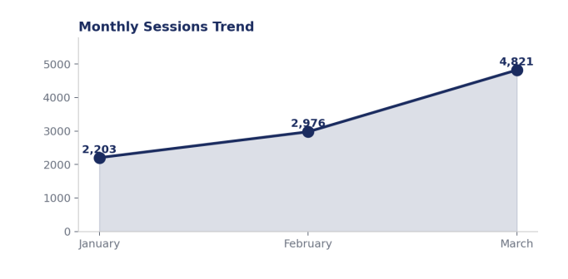
11 | 539
12 | 634
13 | 568
14 | 620
15 | 637
16 | 627
17 | 648
18 | 628
19 | 647
20 | 622
21 | 585
22 | 498
23 | 364

Day | Views
Monday | 957
Tuesday | 1322
Wednesday | 1553
Thursday | 1441
Friday | 1675
Saturday | 1633
Sunday | 1419

Category | Views
Sports | 4028
Music | 2145
Entertainment | 1749
Kids | 1507
News | 505
Other | 66

